Citation
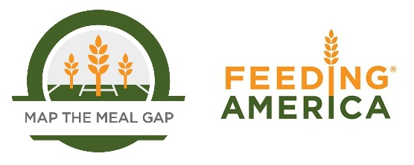

When using this data, please cite as follows:
Gundersen, C., A. Dewey, M. Kato, A. Crumbaugh & M. Strayer. Map the Meal Gap 2019: A Report on County and Congressional District Food Insecurity and County Food Cost in the United States in 2017. Feeding America, 2019.

